Australia
Attrition Rates for Students in the Field of Education by University

State | Higher Education Institution | Attrition Rate
 |  | 2005 | 2006 | 2007 | 2008 | 2009 | 2010 | 2011 | 2012 | 2013 | 2014 | 2015 | 2016 | 2017 | 2018 | 2019 | 2020
New South Wales | Charles Sturt University | 16.10 | 20.45 | 20.16 | 17.93 | 18.22 | 21.76 | 20.77 | 23.79 | 23.93 | 24.27 | 26.12 | 24.56 | 26.41 | 25.82 | 24.85 | 23.81
 | Macquarie University | 16.23 | 14.19 | 15.52 | 15.59 | 16.87 | 14.08 | 15.35 | 14.67 | 16.21 | 15.72 | 13.28 | 16.16 | 16.35 | 15.01 | 14.01 | 12.48
 | Southern Cross University | 17.01 | 18.79 | 18.79 | 16.76 | 16.53 | 16.53 | 16.46 | 23.97 | 23.97 | 21.64 | 21.06 | 21.94 | 19.91 | 20.27 | 16.45 | 17.91
 | The University of New England | 21.71 | 21.58 | 23.47 | 23.05 | 22.37 | 21.99 | 21.66 | 21.92 | 20.96 | 25.08 | 29.14 | 23.23 | 31.32 | 26.61 | 23.75 | 23.53
 | The University of Newcastle | 14.82 | 13.60 | 17.84 | 13.20 | 16.36 | 15.87 | 17.77 | 15.57 | 16.84 | 17.57 | 18.40 | 14.80 | 14.40 | 16.20 | 15.27 | 12.36
 | The University of Sydney | 9.11 | 10.81 | 9.01 | 7.27 | 9.20 | 6.46 | 6.26 | 7.00 | 6.94 | 7.33 | 6.49 | 6.28 | 7.26 | 6.76 | 7.85 | 5.72
 | University of New South Wales | 9.67 | 10.24 | 10.87 | 10.77 | 12.07 | 10.41 | 9.96 | 9.64 | 9.81 | 13.82 | 10.46 | 13.96 | 12.44 | 10.47 | 10.33 | 10.55
 | University of Technology Sydney | 11.06 | 11.92 | 11.92 | 11.91 | 12.39 | 13.45 | 12.28 | 12.63 | 14.79 | 13.22 | 14.25 | 13.23 | 11.84 | 9.49 | 9.73 | 15.08
 | University of Wollongong | 11.07 | 10.85 | 8.40 | 10.64 | 11.98 | 10.71 | 12.57 | 10.55 | 13.40 | 12.46 | 15.63 | 14.89 | 16.14 | 15.91 | 19.27 | 12.50
 | Western Sydney University | 10.73 | 9.83 | 10.87 | 8.73 | 6.20 | 7.59 | 8.84 | 9.24 | 8.85 | 10.41 | 9.90 | 12.32 | 9.81 | 10.56 | 11.07 | 11.03
Victoria | Deakin University | 15.77 | 13.18 | 14.45 | 14.37 | 11.72 | 13.42 | 12.66 | 13.76 | 14.56 | 13.61 | 15.10 | 15.28 | 16.69 | 16.02 | 18.18 | 14.16
 | Federation University Australia | 9.51 | 9.32 | 11.11 | 15.26 | 10.28 | 14.06 | 13.54 | 19.40 | 20.55 | 18.99 | 21.72 | 20.84 | 22.21 | 21.36 | 22.74 | 14.34
 | La Trobe University | 8.51 | 9.37 | 9.20 | 7.87 | 7.53 | 8.42 | 9.31 | 8.92 | 9.88 | 11.39 | 15.24 | 17.46 | 17.46 | 23.13 | 17.44 | 15.40
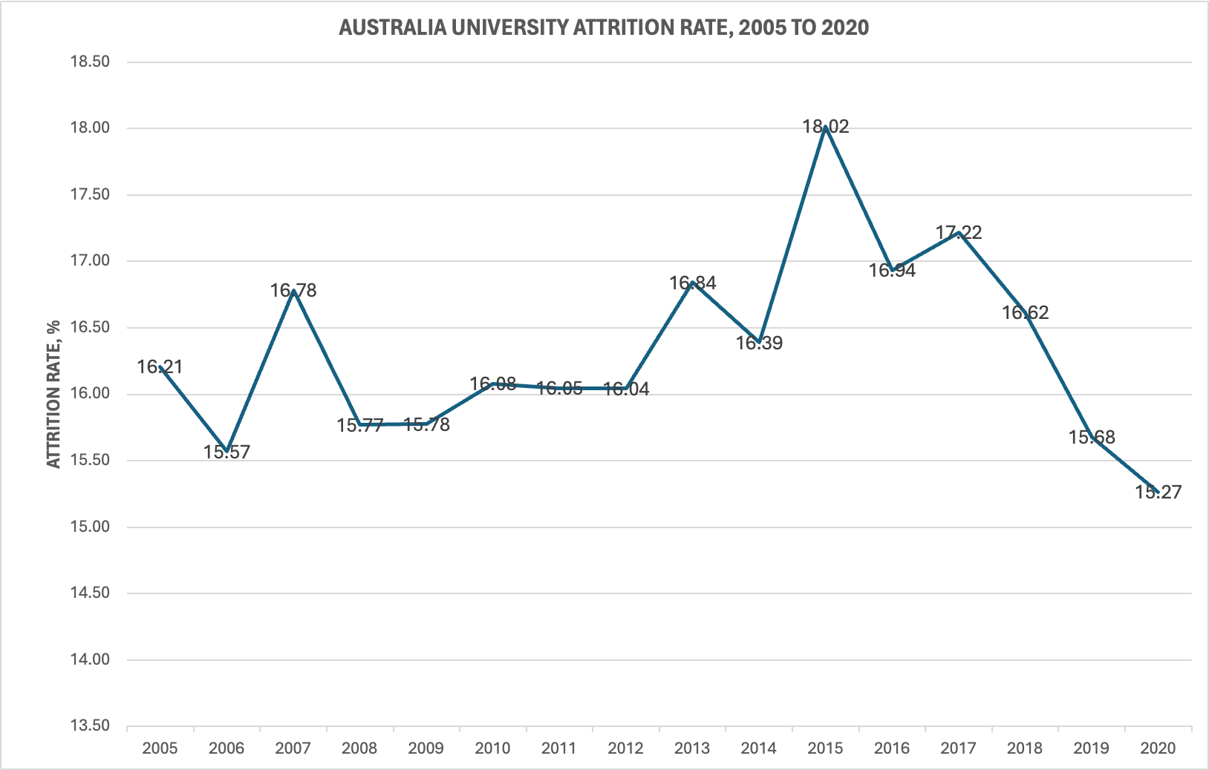
 | Monash University | 9.58 | 11.50 | 10.91 | 10.41 | 10.54 | 10.32 | 10.61 | 8.90 | 9.91 | 9.63 | 11.14 | 9.14 | 5.96 | 5.86 | 6.79 | 5.14
 | RMIT University | 19.18 | 19.56 | 12.77 | 9.04 | 7.32 | 9.53 | 10.16 | 8.55 | 6.78 | 8.16 | 11.82 | 13.27 | 8.38 | 6.67 | 10.60 | 13.01
 | Swinburne University of Technology | 20.00 | 0.00 | 31.25 | 28.57 | 48.39 | 45.95 | 53.33 | 29.87 | 34.91 | 31.98 | 30.19 | 30.53 | 28.25 | 25.34 | 19.90 | 19.41
 | The University of Melbourne | 9.34 | 10.45 | 9.63 | 9.89 | 10.52 | 12.31 | 10.27 | 10.61 | 8.57 | 7.74 | 10.40 | 8.94 | 11.59 | 11.30 | 10.69 | 8.82
 | Victoria University | 16.25 | 16.28 | 16.95 | 16.00 | 10.44 | 13.83 | 11.08 | 12.83 | 17.41 | 16.89 | 15.81 | 15.42 | 16.15 | 13.69 | 12.16 | 10.69
Queensland | Bond University | 11.54 | 9.33 | 7.95 | 11.11 | 13.16 | 7.14 | 0.00 | 4.35 | 10.00 | 4.17 | 6.45 | 10.71 | 10.71 | 11.11 | 4.35 | 14.81
 | CQUniversity | 24.22 | 25.23 | 24.54 | 24.35 | 27.38 | 23.79 | 24.60 | 24.91 | 23.75 | 21.77 | 20.91 | 17.28 | 19.82 | 18.02 | 16.18 | 21.51
 | Griffith University | 17.11 | 16.20 | 15.73 | 14.78 | 15.42 | 17.01 | 14.36 | 15.11 | 17.86 | 18.27 | 19.10 | 17.05 | 16.46 | 17.74 | 16.53 | 16.68
 | James Cook University | 23.90 | 29.49 | 25.76 | 24.14 | 25.74 | 25.37 | 24.07 | 30.80 | 23.71 | 23.86 | 22.15 | 17.33 | 16.34 | 21.99 | 25.31 | 15.45
 | Queensland University of Technology | 18.22 | 17.00 | 20.40 | 16.73 | 14.35 | 14.79 | 15.44 | 15.02 | 16.51 | 17.79 | 20.22 | 14.08 | 16.05 | 16.85 | 14.94 | 16.88
 | The University of Queensland | 14.24 | 12.12 | 20.18 | 14.29 | 12.61 | 11.21 | 9.97 | 14.32 | 13.20 | 13.85 | 12.53 | 11.50 | 11.45 | 11.42 | 10.87 | 9.49
 | University of Southern Queensland | 25.91 | 22.75 | 24.36 | 20.20 | 21.41 | 26.71 | 23.42 | 23.40 | 21.71 | 24.65 | 24.62 | 24.68 | 27.97 | 24.83 | 24.02 | 21.73
 | University of the Sunshine Coast | 20.39 | 17.33 | 17.18 | 18.16 | 17.52 | 15.98 | 17.37 | 16.03 | 20.19 | 15.67 | 19.05 | 12.52 | 15.30 | 18.30 | 13.54 | 14.46
Western Australia | Curtin University | 25.65 | 19.09 | 20.29 | 20.03 | 15.58 | 15.44 | 18.13 | 17.02 | 18.13 | 17.76 | 20.15 | 15.92 | 19.24 | 24.83 | 23.24 | 24.44
 | Edith Cowan University | 18.39 | 17.36 | 18.47 | 17.47 | 18.52 | 16.87 | 16.32 | 17.08 | 18.24 | 17.69 | 18.86 | 18.74 | 18.78 | 20.49 | 18.40 | 19.55
 | Murdoch University | 17.89 | 21.90 | 20.86 | 24.61 | 22.38 | 22.79 | 20.88 | 21.62 | 21.26 | 18.68 | 18.13 | 19.40 | 21.61 | 15.47 | 19.03 | 19.70
 | The University of Notre Dame Australia | 21.40 | 16.82 | 14.50 | 15.05 | 11.66 | 13.88 | 12.99 | 12.32 | 12.54 | 12.00 | 12.13 | 12.64 | 10.50 | 11.52 | 11.16 | 14.18
 | The University of Western Australia | 10.84 | 11.00 | 12.85 | 10.00 | 7.85 | 10.40 | 8.97 | 12.50 | 14.04 | 9.49 | 10.48 | 9.19 | 12.35 | 10.84 | 12.38 | 8.09
South Australia | Flinders University | 11.76 | 14.89 | 15.02 | 16.12 | 17.96 | 18.70 | 17.35 | 15.81 | 16.75 | 15.41 | 18.08 | 17.50 | 18.37 | 19.75 | 14.57 | 17.61
 | The University of Adelaide | 7.87 | 10.95 | 10.43 | 14.34 | 9.43 | 9.39 | 13.80 | 11.69 | 13.26 | 11.45 | 10.45 | 9.98 | 10.32 | 8.52 | 9.79 | 8.01
 | Torrens University |  |  |  |  |  |  |  |  |  |  | 52.38 | 43.48 | 32.14 | 20.95 | 25.00 | 24.58
 | University of South Australia | 24.89 | 17.57 | 20.14 | 17.01 | 15.91 | 17.55 | 19.93 | 19.17 | 20.42 | 18.93 | 16.95 | 17.33 | 17.24 | 18.19 | 13.78 | 18.75
Tasmania | University of Tasmania | 17.88 | 22.61 | 21.20 | 22.63 | 26.38 | 27.62 | 28.52 | 30.44 | 28.50 | 28.45 | 26.30 | 25.20 | 26.28 | 25.03 | 20.90 | 23.88
Northern Territory | Charles Darwin University | 30.80 | 32.53 | 32.03 | 25.34 | 20.51 | 22.37 | 22.35 | 20.35 | 21.17 | 22.42 | 25.08 | 24.18 | 23.86 | 22.54 | 20.41 | 16.10
Australian Capital Territory | University of Canberra | 13.32 | 12.79 | 16.19 | 11.22 | 12.91 | 13.18 | 14.52 | 11.95 | 16.05 | 13.38 | 15.77 | 13.35 | 17.33 | 12.90 | 11.11 | 10.55
Multi-State | Australian Catholic University | 14.08 | 12.72 | 16.57 | 14.38 | 13.85 | 14.14 | 13.92 | 13.88 | 14.45 | 17.21 | 16.71 | 16.15 | 16.82 | 16.29 | 14.85 | 12.96

Source: https://app.powerbi.com/view?r=eyJrIjoiY2QxNDc4M2UtYjU2NS00YTkzLWJiMjctMjQ2NzAwZWI1YzE3IiwidCI6ImRkMGNmZDE1LTQ1NTgtNGIxMi04YmFkLWVhMjY5ODRmYzQxNyJ9

